1B
Silbernagl L. & Schönswetter P. (2019) Genetically divergent cytotypes of Vaccinium uliginosum co-occurring in the central Eastern Alps can be distinguished based on the morphology of their flowers. – Preslia 91: 143–159.
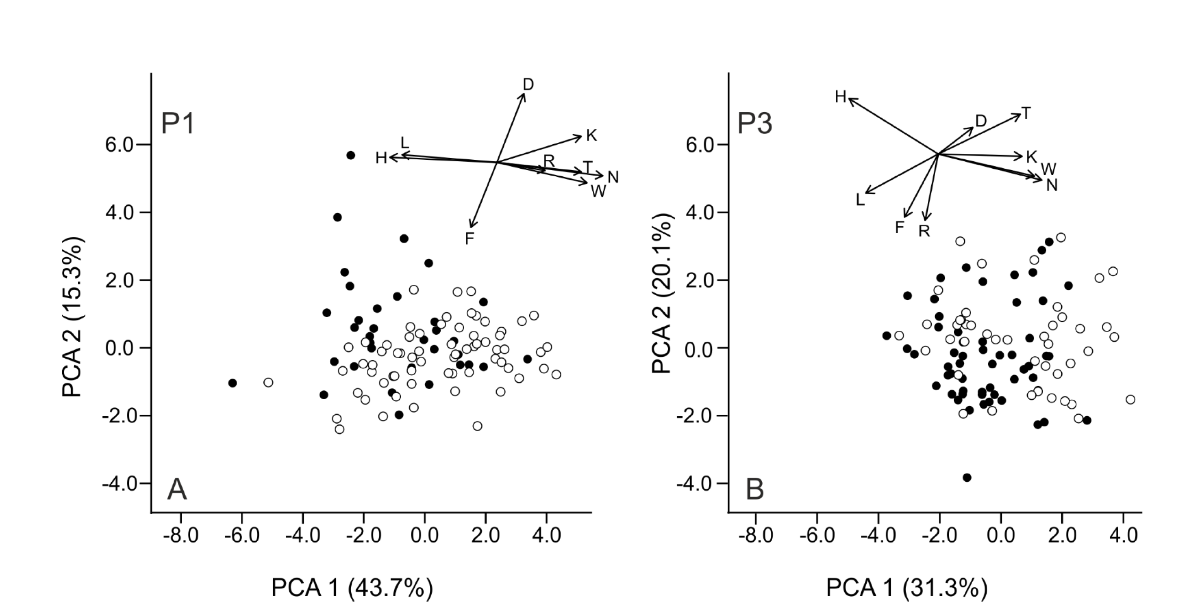

Electronic Appendix 1B. – Principal component analyses based on weighted Landolt indicator values of the surrounding vegetation illustrating ecological differentiation between diploid (black) and tetraploid (white) cytotypes of Vaccinium uliginosum s. lat. from the central Eastern Alps. Only study sites with comparable numbers of diploid and tetraploid individuals are shown. The inset shows relationships among the particular values projected in the same ordination space as the samples (D, aeration; F, moisture; H, humus content; K, continentality; L, light; N, nutrient; R, reaction; T, temperature; W, moisture variability.

